SAP Solutions Comparison
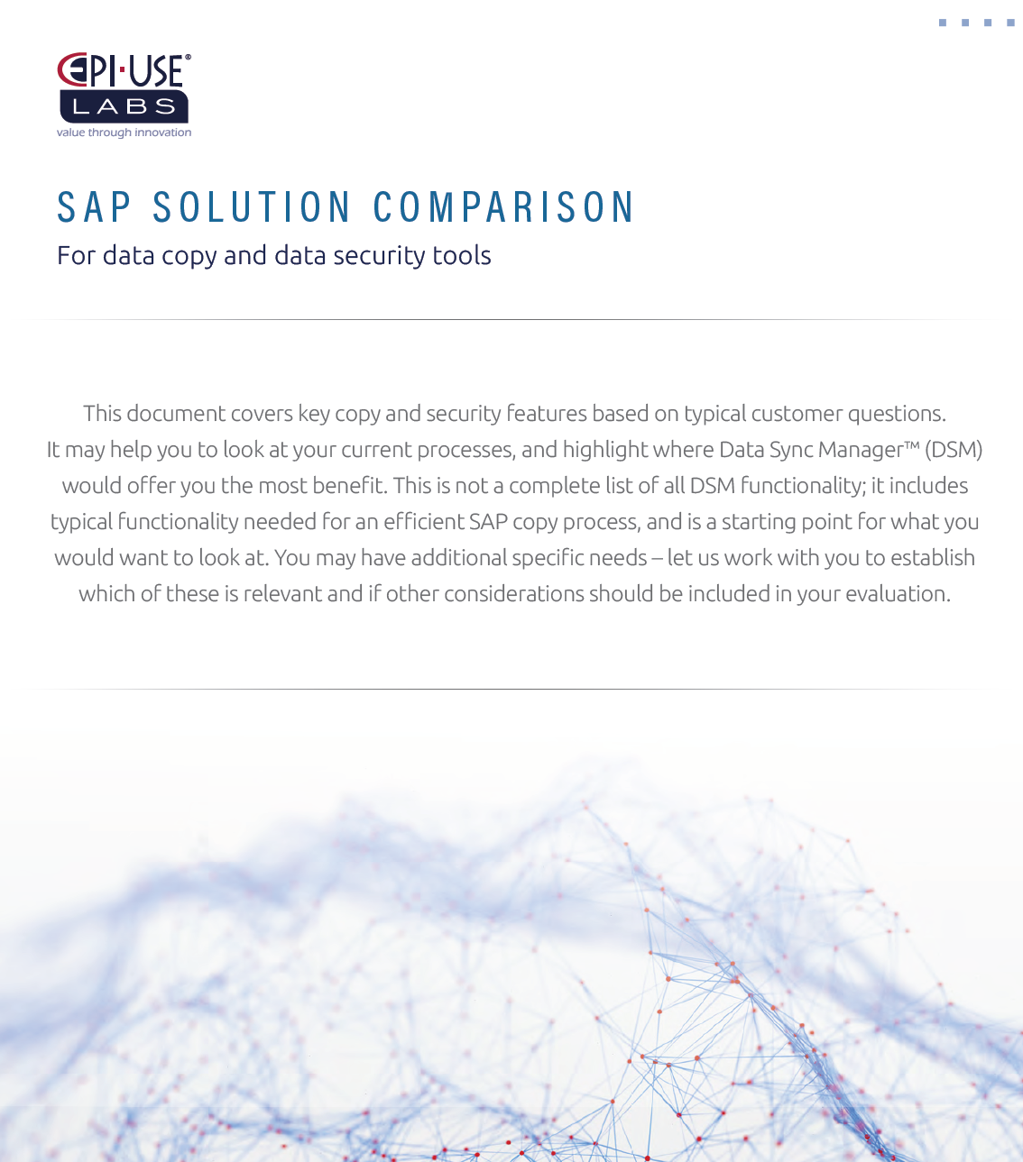

CORE ENGINE | We currently have the following | We need or would like the following | Offered by EPI-USE Labs
HANA + S/4HANA certification (applicable to both)
APIs for non SAP systems
Broad SAP system coverage including ERP, BW, SRM, CRM, GTS, SCM etc
Distributed system framework (ensuring cross-system consistency)
File or RFC execution
Monitor workbench: easy dashboard for managing active and previous runs
Automated alerts to notify of status
Ability to control active syncs: stop / resume / increase processes, etc
Admin workbench: control how and where used
User control: ability to control segregation of duties, limiting users to functions/masking policies, target clients
Template based approach: preset profilesand customisable templates to support repeatable process
Customisation workbench (applies to copying and scrambling) - add own definitions and extend delivered objects with custom tables
Industry-specific solutions
Utilities
Retail
Oil
Banking and Insurance
Telecommunication
Local implementation and support teams
24-hour support
No middleware server (no additional system footprint to support a copy)
Online support community
Learning modules
Ability to share content (configurations and scrambling content)
Flexible license opportunity
Buy licence
Refresh service capabilities
Active development roadmap
DATA COPY
Multiple data copy profiles (Full set, Master data only, HCM slice only etc)
Time slicing on transactional data (expect 60%+ space savings)
Application logic - including ability to resolve document flows to capture referenced transactions outside of a time slice and include them
DevOps on demand copy (Object Sync)
Scenario copying to snapshot an entire process and copy exactly to a dedicated scenario copy target client
Ability to prevent scenario copy being used to main test/dev clients where inconsistencies would be created
DATA PROTECTION
Delivered scrambling rulesets covering CRM, SRM, HR, Finance and Logistics
Capability to add custom content specific to your BW usage
Delivered policies (including ability to share custom content with other customers)
Easy UI to create new rules (without needing ABAP developers)
Scrambling consistency across integrated objects and systems (e.g. ERP, CRM, etc)
Multiple ways to generate new data synthetic values as well as real value shuffling (Generate random values or reuse real data sets)
Source-side scrambling (choice to scramble on exit)
Pattern breaking. Not every Tim becomes a John

